2. Project Explanation
Date | 8-May-23
Tester | Trang Nguyen
PROJECT EXPLANATION

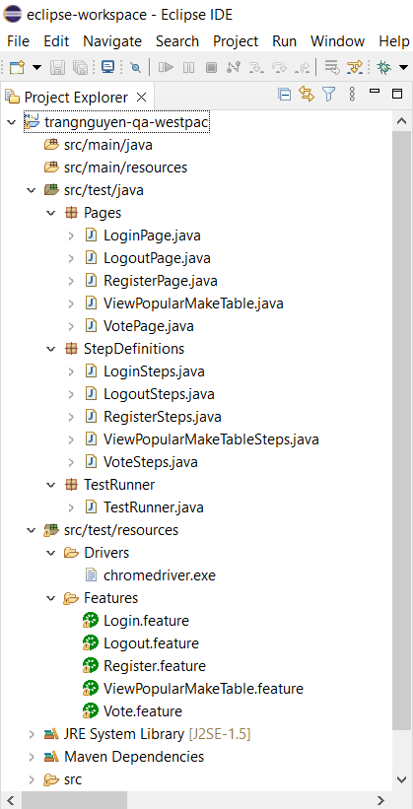

Each page in this "Pages" package contains all the elements, and methods to be used in the respective java file in StepDefinitions package. For example, LoginPage contains all the elements, and methods used in LoginSteps.java file.

Each page in this StepDefinitions package contains scripts for all steps listed in ".feature" file in "Features" folder. For example, LoginSteps.java contains all the scripts for all steps listed in Login.feature.

This file contains the scripts to run all the tests defined in the "Features" folder. You can right-click on this TestRunner.java file, select RunAs/JUnit Test to run all the feature file in one click. Please refer to sheet "3. Run the test" for more details.

The chromedriver.exe file is put here.

"Features" folder contains 5 feature files for 5 test scenarios. The scripts in each .feature file lists all test steps using Cucumber in Gherkin. You can also run the test for each scenarios seperately. Not like to "TestRunner.java" file, which runs all the test scenarios in all click, running each .feature file will help you to run a specific test scenario. You can do it by opening the feature file. When the file is opened in a new tab, right-clicking on this new tab, select "RunAs", then select "1 Cucumber feature". Please refer to sheet "3. Run the test" for more details.

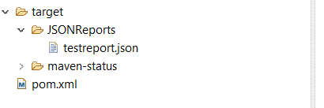
Test report is generated after running "TestRunner.java" file under "TestRunner" package.

3. Run the test
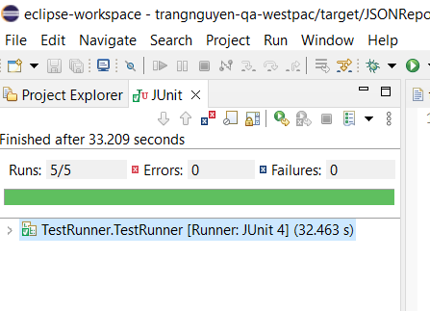
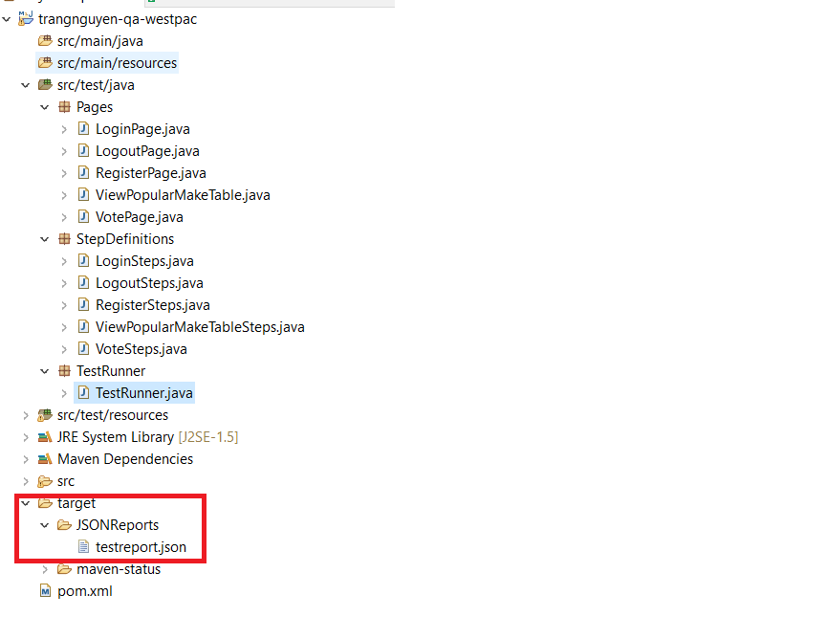
Date: 08 May 2023
Tester: Trang Nguyen
RUN THE TEST
There are two ways to run the test scenarios.
1. Run all with one click | 2. Run each .feature file
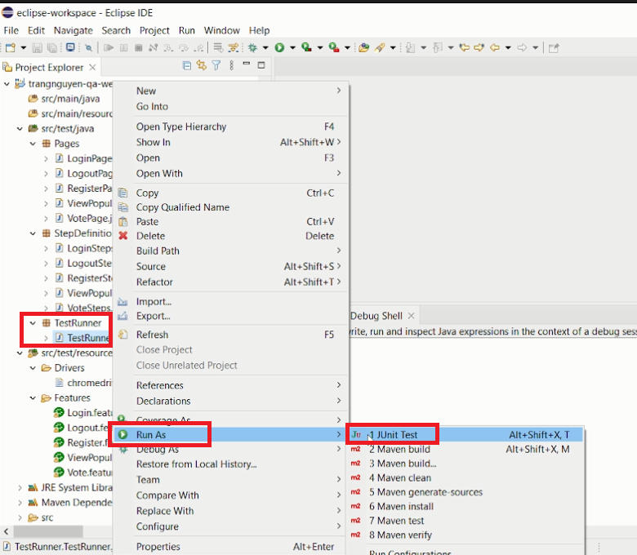
In "TestRunner" package, right-clicking on the "TestRunner.java" file, select "Run As", select " JUnit Test" to run all the test scenarios with one click. After all, there will be a JUnit tab appears, and reports how many test cases passed as the next screenshot. There is also a JSON report generated in "Target" folder.
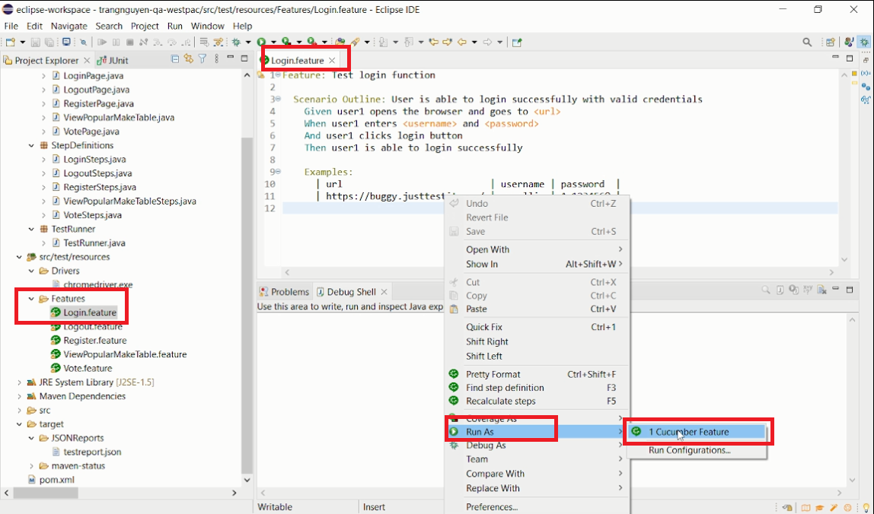

Select a ".feature" file, open it, then right-click on the tab, select "RunAs", then select "1 Cucumber Feature" to run this specific case. Test result will be displayed as the next screenshot.

